Sheet1
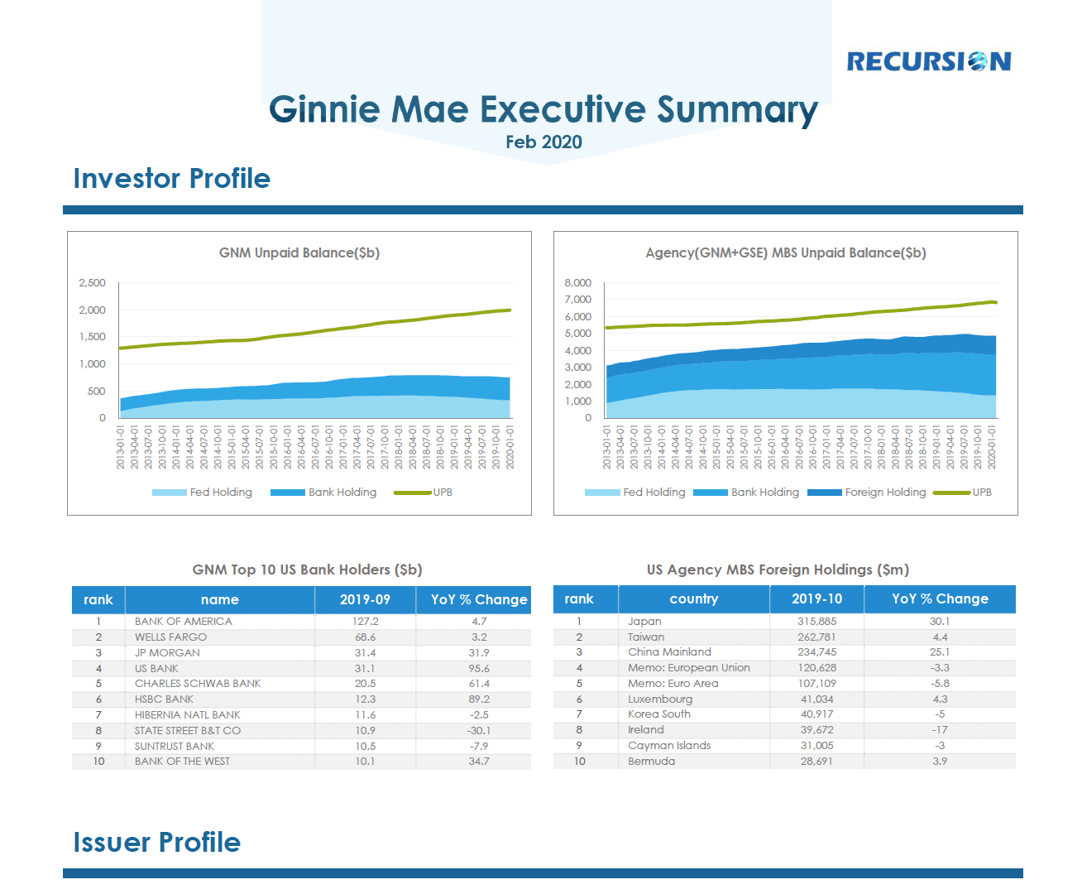
Width*Height(cm)

Font | Other | Size | Color |  | Width | Length
Century Gothic | Bold | 20 |  | #0f4d74
Century Gothic | Bold | 10 |  | #0f4d74
 |  |  |  | #0f4c72
Century Gothic | Bold | 16 |  | #0f4d74
 |  |  |  | #0f4d74 | 0.17cm | 18.93cm
Century Gothic | Bold | 7.2 |  | #7e7e7f

 |  |  |  | #95aa00 | 1.75pt
 |  |  |  | #228bd0
 |  |  |  | #2ea7e5
 |  |  |  | #8fd7f1
9.2cm*5.61cm
9.2cm*5.61cm
Century Gothic | / | 6 |  | #7e7e7f

Century Gothic | Bold | 7.2 |  | #7e7e7f
 |  |  |  | #1787cf

9.2cm*3.76cm
9.2cm*3.76cm
 |  |  |  | #f2f2f2
Century Gothic | / | 6 |  | #7e7e7f

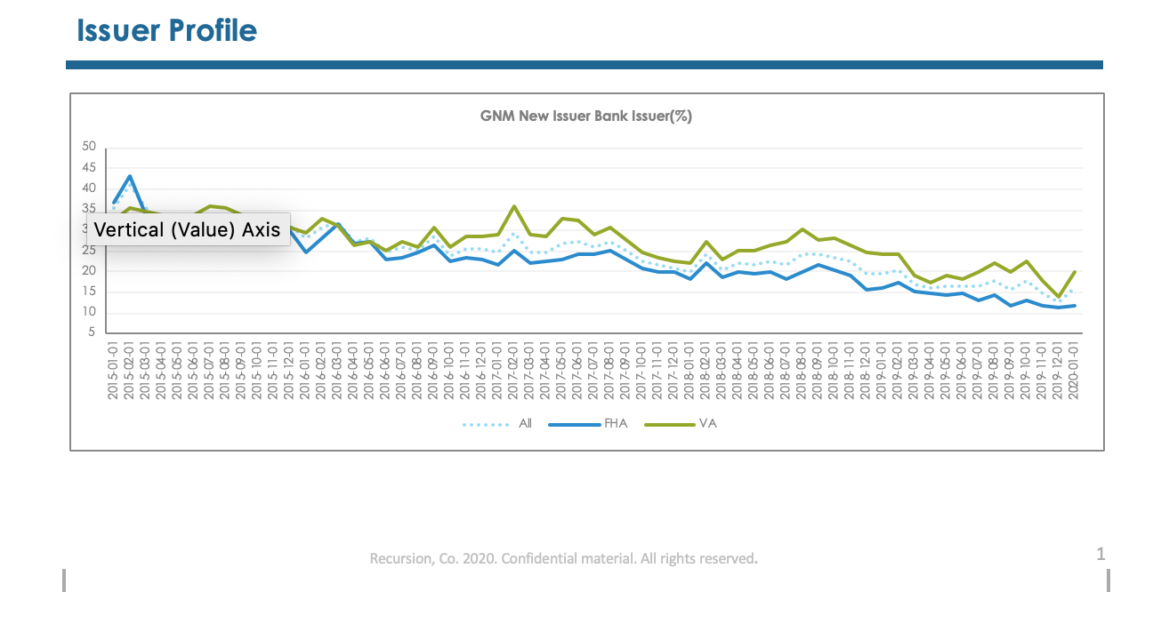
Century Gothic | Bold | 16 |  | #0f4d74

Century Gothic | Bold | 7.2 |  | #7e7e7f

18.92cm*6.55cm
 |  |  |  | #95aa00 | 1.75pt
 |  |  |  | #8fd7f1 | 1.75pt
 |  |  |  | #228bd0 | 1.75pt
Century Gothic | / | 6 |  | #7e7e7f



Century Gothic | Bold | 7.2 |  | #7e7e7f

 |  |  |  | #228bd0
9.2cm*5.08cm
9.2cm*5.08cm
 |  |  |  | #95aa00

Century Gothic | / | 6 |  | #7e7e7f

9.2cm*5.08cm
9.2cm*5.08cm

 |  |  |  | #95aa00 | 1.75pt
 |  |  |  | #228bd0 | 1.75pt
18.92cm*5cm

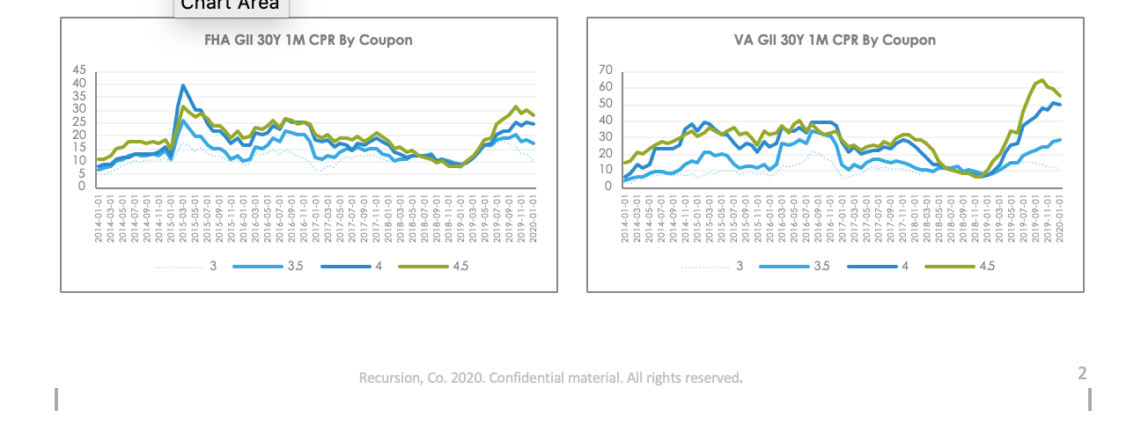
Century Gothic | Bold | 7.2 |  | #7e7e7f

 |  |  |  | #95aa00 | 1.75pt
 |  |  |  | #228bd0 | 1.75pt
 |  |  |  | #2ea7e5 | 1.75pt
9.2cm*5.08cm
9.2cm*5.08cm
dot |  |  |  | #8fd7f1 | 1pt

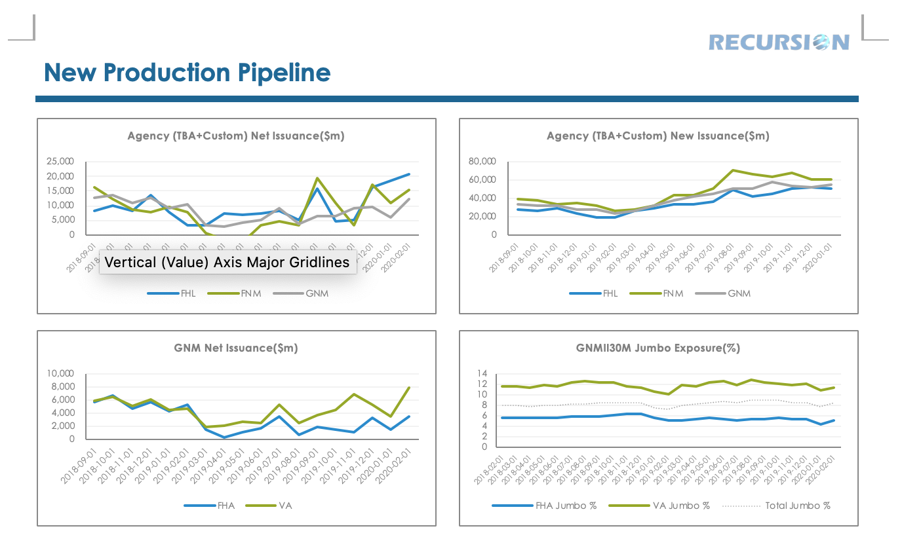

9.2cm*4.5cm
9.2cm*4.5cm
 |  |  |  | #95aa00 | 1.75pt
 |  |  |  | #babcba | 1.75pt
 |  |  |  | #228bd0 | 1.75pt

9.2cm*4.5cm
9.2cm*4.5cm
 |  |  |  | #95aa00 | 1.75pt
dot |  |  |  | #babcba | 1pt
 |  |  |  | #228bd0 | 1.75pt

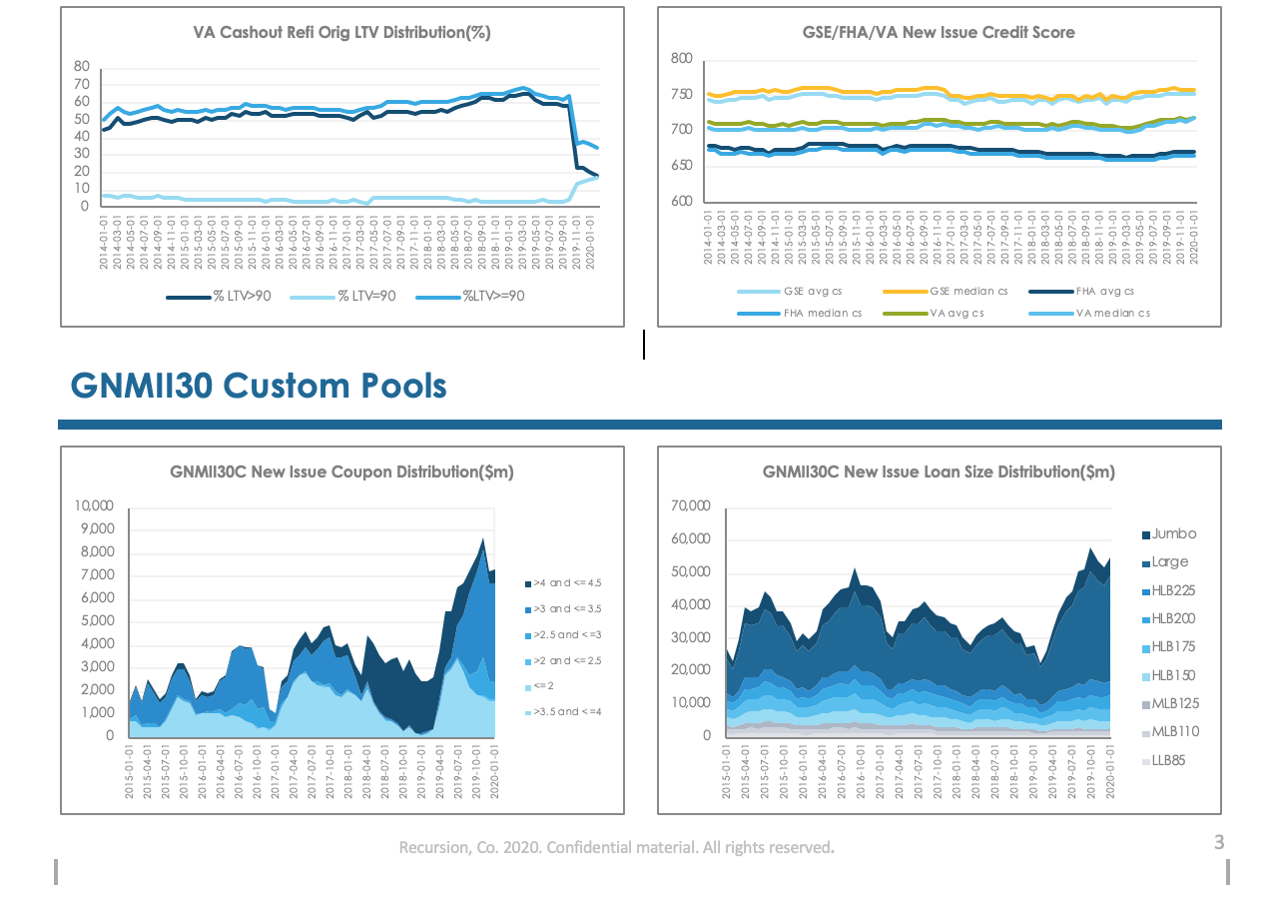
VA Cashout Refi Orig LTV Distribution(%) |  | GSE/FHA/VA New Issue Credit Score
 | #0f4d74 |  |  | #ffc101
 | #2ea7e5 |  |  | #8fd7f1
 | #8fd7f1 |  |  | #95aa00
 |  |  |  | #55c0f1
 |  |  |  | #0f4d74
9.2cm*5.2cm
9.2cm*5.2cm
 |  |  |  | #2ea7e5

GNMII30C New Issue Coupon Distribution($m |  |  | GNMII30C New Issue Loan Size Distribution($m)
 | #8fd7f1 |  | #d8dad9
 | #2ea7e5 |  | #bfbfbf
 | #0f4d74 |  | #a6a6a6
 |  |  | #8fd7f1
 |  |  | #55c0f1
9.2cm*5.2cm
9.2cm*5.2cm
 |  |  | #2ea7e5
 |  |  | #228bd0
 |  |  | #185d89
 |  |  | #0f4d74

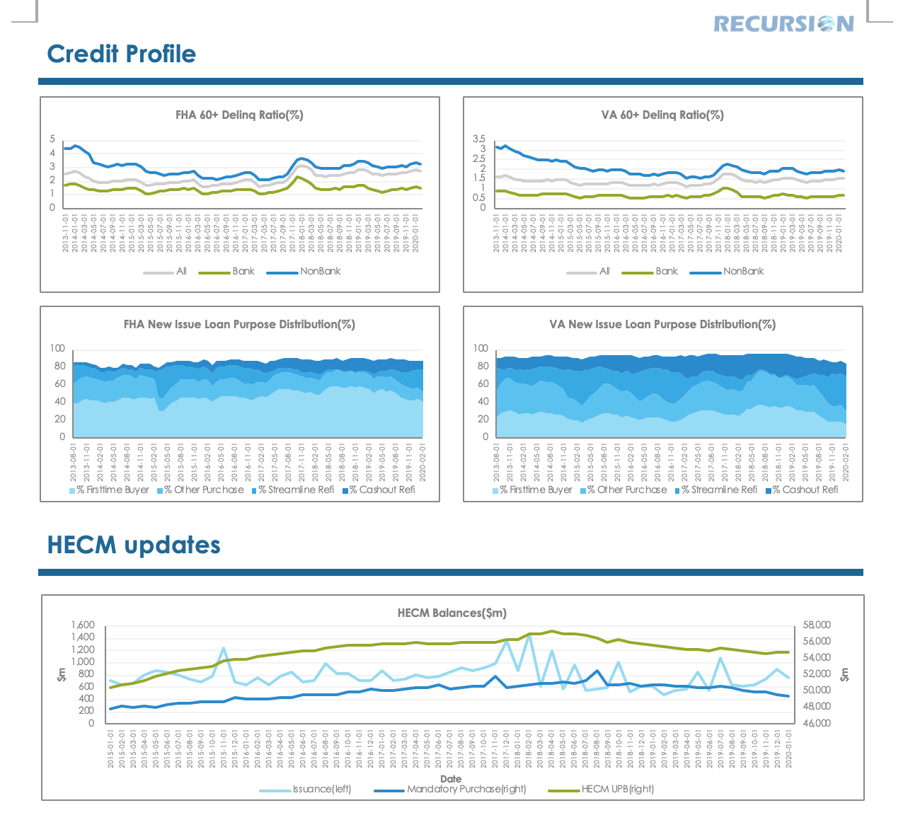

 |  |  |  | #95aa00 | 1.75pt
 |  |  |  | #bfbfbf | 1.75pt
 |  |  |  | #228bd0 | 1.75pt

9.2cm*4.5cm
9.2cm*4.5cm

9.2cm*4.5cm
9.2cm*4.5cm
 |  |  |  | #8fd7f1
 |  |  |  | #55c0f1
 |  |  |  | #2ea7e5
 |  |  |  | #228bd0

 |  |  |  | #8fd7f1
 |  |  |  | #228bd0
 |  |  |  | #95aa00
 |  |  |  |  | 1.75pt
18.92cm*4.73cm
 |  |  |  |  | 1.75pt
 |  |  |  |  | 1.75pt

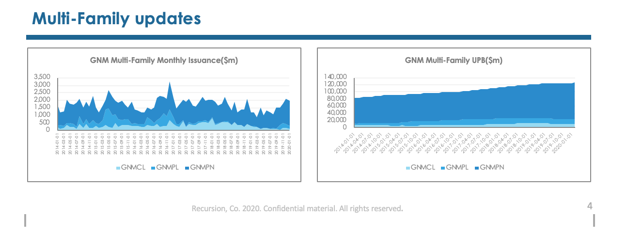

 |  |  |  | #8fd7f1
 |  |  |  | #2ea7e5
 |  |  |  | #228bd0

9.2cm*4.5cm
9.2cm*4.5cm

